1. Title Page
Grocery Basket Analysis

Project Name: Instacart Grocery Basket Analysis
Date: 1-28-23
Analyst Name: Adam Willard

Contents:
Population Flow
Consistency checks
Wrangling steps
Column derivations
Visualizations
Recommendations

Data source:
“The Instacart Online Grocery Shopping Dataset 2017”, Accessed from
https://www.instacart.com/datasets/grocery-shopping-2017

According to CareerFoundry,
"the customer data you explored in Exercises 4.9 and 4.10, as well as the “prices” column in the products data set, were both fabricated for the purpose of this course"
Accessed from
https://careerfoundry.com/en/course/data-immersion/exercise/coding-etiquette-reporting#instacart-analysis-final-report
on Jan 28, 2023

2. Population Flow
Title page

Population flow

Exclusion flag
Condition: max_order < 5
Obervations to be removed: 1,440,295
Final total count of order_products_all:
30,964,564

Orders_products_combined
Orders_products_merged
Orders_products_all

Total: 32404859
Total: 32434489
Total: 32404859

1.) The grey boxes in the first row of the population flow represent the original data sets as they were when you downloaded them. In the Total fields you need to add the count of the rows when you imported the data set into Jupyter.
2.) The second row of boxes (coloured) represents the data sets after you manipulated them, e.g., removed missing values and duplicates. In the Total fields you need to add the count of the rows after conducting these operations. This offers a visual oveview of how the data flows throughout the data consistency checks.
3.) The third row, where also the arrows are coloured, represents the merges you performed between the datasets. In the Total fields you need to add the count of the rows in the merged datasets, so that you end up with the final dataset (in the red box). Keep in mind the final dataset should be without exclusions (based on the exclusion flag).

3. Consistency checks
 |  |  |  | Title page
Consistency checks

Dataset | Missing values | Missing values treatment | Duplicates
orders | 206,209 missing values found in "days_since_last_order" | I believe this is where customers made their first order (because they all coincide with "order_number == 1", so I made a new boolean column to flag these as "new_customer" - true or false) | No duplicates found
products | 16 missing values found | created new dataframe without them | 5 duplicates found and excluded from new products dataframe
orders_products_prior | none | none | none
customers | no missing values found in any of the non-PII columns | didn't have any columns to retain with missing values that needed to be treated | No duplicates found

4. Wrangling steps
 |  |  |  | Title page
Wrangling steps

Columns dropped | Columns renamed | Columns' type changed | Comment/Reason
eval_set |  |  | not useful for analysis (was just system information indicating if this was a prior or most recent data set)
 |  | order_id | made it a "string" because it's not useful as numeric data
 |  | user_id | made it a "string" because it's not useful as numeric data
 | days_since_prior_order |  | changed to "days_since_last_order" simply because the task required me to change the name of a column and all names were already pretty good
 | order_dow |  | changed to "orders_day_of_week" to make "dow" make more sense
Unnamed: 0.1, Unnamed: 0 |  |  | these were just repeats of the index due to exporting as csv and re-importing as csv multiple times
_merge |  |  | dropped multiple instances of this column since I really only needed it temporarily to check merge results but didn't need in final export
price range |  |  | had created column twice with two different methods, but only needed it once
First Name |  |  | PII - not helpful for analysis
Surname |  |  | PII - not helpful for analysis
date_joined |  |  | not helpful for analysis - doesn't answer any business questions
 | Gender |  | renamed to "gender" to match naming conventions
 | STATE |  | renamed to "state" to match naming conventions
 | Age |  | renamed to "age" to match naming conventions
 |  | user_id | made it a "string" because it's not useful as numeric data, and so that it would match with orders data for merging
activity |  |  | was a temporary flag column created to identify low-activity customers which were dropped from dataframe, and therefore column itself was no longer needed

5. Column derivations
 |  |  |  | Title page

Column derivations and aggregations

In this tab you should add tables below that the frequences of flags/label variables that you produced after deriving them. NB: don't do this for continuous variables, only for flags.
Dataset | New column | Column/s it was derived from | Conditions
orders_checked | new_customer | days_since_last_order | if 'days_since_last_order' was NaN/null, then this flagged "new_customer" as "True"
orders_products_new_vars | price_range (& price_range_loc - both are the same) | prices | > 15 = 'High-range product' , <= 15 & >5 = 'Mid-range product' , <= 5 = 'Low-range product'
orders_products_new_vars | busiest_days | orders_day_of_week | 0 or 1 = "busiest days", 4 or 3 = "least busy", else "regularly busy" (identified from value counts on this column)
orders_products_new_vars | busiest_period_of_day | order_hour_of_day | >= 10 and <=15 = "most orders", >=0 and <=6 = "fewest orders", else "average orders" (identified from value counts on this column)
orders_products_new_vars | loyalty_flag | max_order | > 40 = "Loyal customer" , <=40 & >10 = "Regular customer" , <= 10 = "Newer customer"
orders_products_new_vars | avg_item_price | user_id & prices | this is the average of prices grouped by user_id
orders_products_new_vars | spender_type | avg_item_price | <10 = "Low spender" , >= 10 = "High spender"
orders_products_new_vars | avg_days_since_last_order | user_id & days_since_last_order | this is the average of days_since_last_order grouped by user_id
orders_products_new_vars | order_frequency | avg_days_since_last_order | <=10 = "Frequent customer", <=20 & >10 = "Regular customer", >20 = "Non-frequent customer"
ic_merged | dow | orders_day_of_week | 0 = "Sat", 1 = "Sun", 2 = "Mon", 3 = "Tues", 4 = "Wed", 5 = "Thurs", 6 = "Fri"
ic_merged_no_lows | region | state | used wikipedia info (https://simple.wikipedia.org/wiki/List_of_regions_of_the_United_States) to assign states to one of four regions
ic_merged_no_lows | activity | max_order | <5 = "low activity"
ic_merged_no_lows | profile | fam_status, age, n_dependants, income, order_hour_of_day, gender, department_id, orders_day_of_week | fam_status = single & age >17 = "single adult" n_dependants > 0 & age <28 = "young parent" n_dependants = 3 & income > 100,000 = "high-income big family" n_dependants = 3 & fam_status = "living with parents and siblings" & age <43 = "failed millenial" fam_status = "single" & income > 80000 & age <43 = "thriving millenial" order_hour_of_day > 20 & <5 & age <26 = "late night college munchers" income > 200,000 & age > 60 = "wealthy retired" fam_status = "single" & income > 120,000 & age <45 & gender = "male" = "eligible bachelors" fam_status = "divorced/widowed" & income < 40,000 = "sad & alone" fam_status = "single", income > 65,000, age < 40 & > 29 & gender "Female" = "30, flirty, and thriving" department_id = 5 or 7 or 19 & orders_day_of_week = 6 or 0 (Fri or Sat) & age <26 = "college party" n_dependants > 1 & fam_status = "married" & income > 47,000 & <142,000 = "middle-class America" profile = NaN/null (after all of the above) = "generally uninteresting"

6. Visualizations
 |  |  |  |  |  | Title page

Visualisations

In this tab you should include all the visualtions from Exercises 4.9 and 4.10, alongside the questions from the project brief that they answer. Include any commentary on the relationship between different variables.

The sales team needs to know what the busiest days of the week and hours of the day
are (i.e., the days and times with the most orders) in order to schedule ads at times
when there are fewer orders.

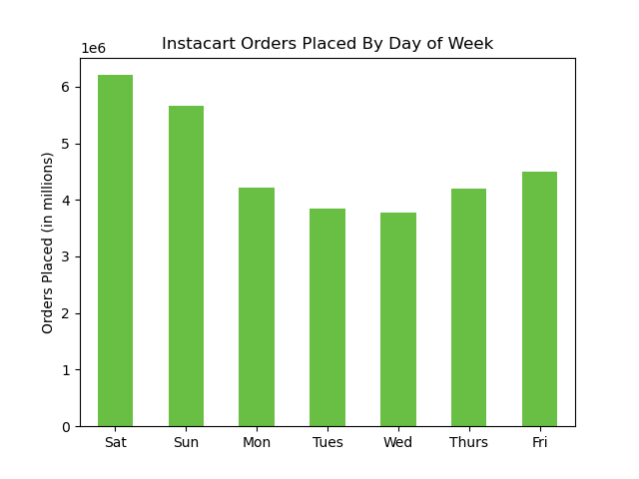
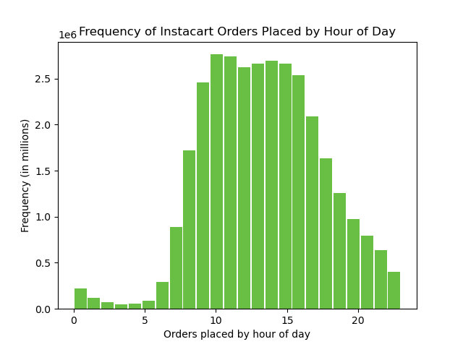

 |  |  |  |  |  |  | These graphs show that the weekend is the busiest time for orders being placed.
 |  |  |  |  |  |  | And mid-day between 9am and 5pm are the most orders being placed.

They also want to know whether there are particular times of the day when people spend
the most money, as this might inform the type of products they advertise at these times.

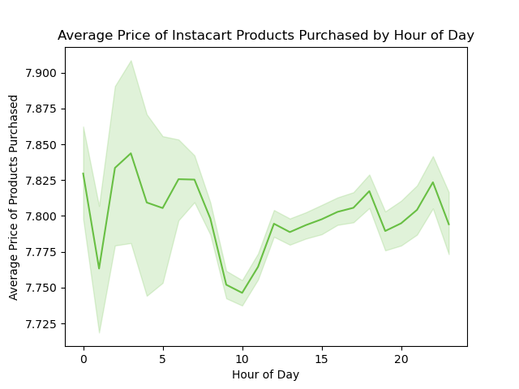
 |  |  |  | This graph shows that the variation in average item price, regardless of time of day, is relatively insignificant.
 |  |  |  | However, if the IC team wants to squeeze out an extra $0.10 (average) per item ordered, they can try
 |  |  |  | to sell more items later in the afternoon/evening, and avoid the mid-morning hours.
 |  |  |  | Nonetheless, the very early morning (pre-dawn) hours have the most volatility in average prices,
 |  |  |  | due to there being less orders during those hours.
 |  |  |  | Potentially IC could look at this and find a way to capitalize on that market in ways that would definitively boost average item prices.

Instacart has a lot of products with different price tags. Marketing and sales want to use
simpler price range groupings to help direct their efforts.

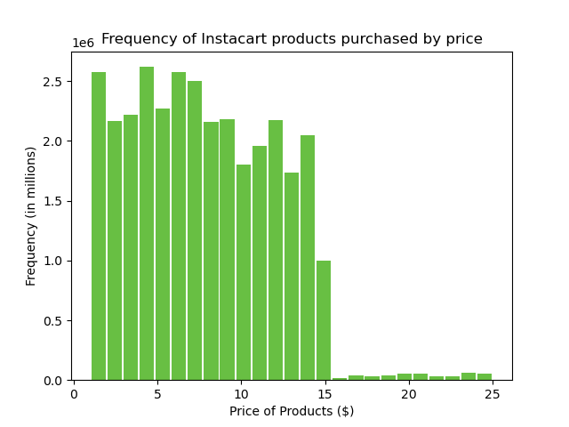
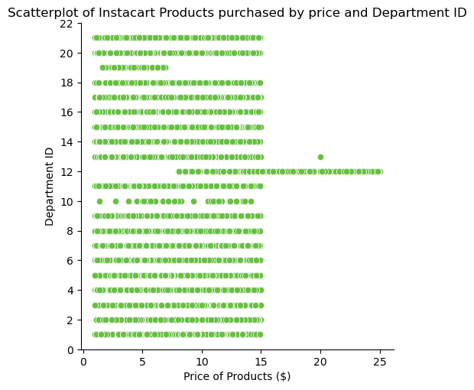

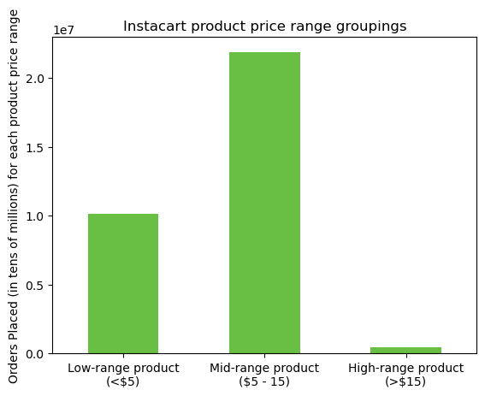
 |  |  |  | Here are three graphs showing different ways to group Instacart prices.
 |  |  |  | This includes the 3-tiered model requested in a previous exercise.
 |  |  |  | It also shows the range of prices per department ID #.
 |  |  |  | And further below (also in answer to the next question),
 |  |  |  | it shows the distribution of purchases (by price-range) per department id.

Are there certain types of products that are more popular than others? The marketing
and sales teams want to know which departments have the highest frequency of product
orders.

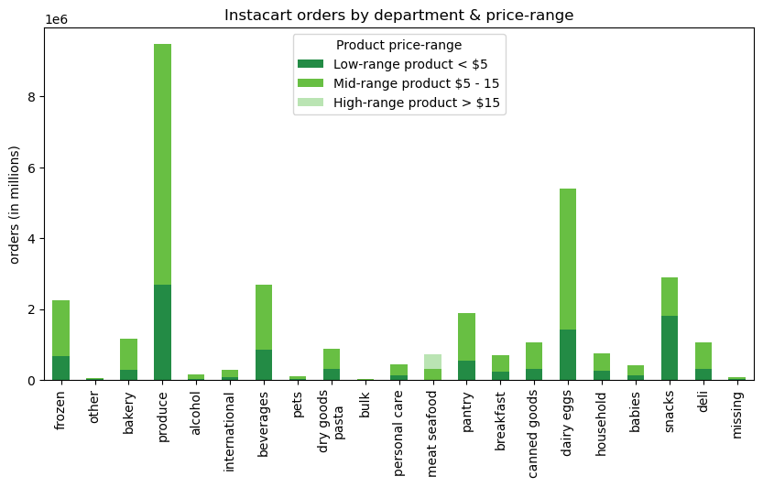

 |  |  |  |  | Produce, followed by dairy and eggs, and then by snacks
 |  |  |  |  | are the three most popular products ordered by Instacart users.

The marketing and sales teams are particularly interested in the different types of
customers in their system and how their ordering behaviors differ. For example:

 | ● What’s the distribution among users in regards to their brand loyalty (i.e., how
 | often do they return to Instacart)?

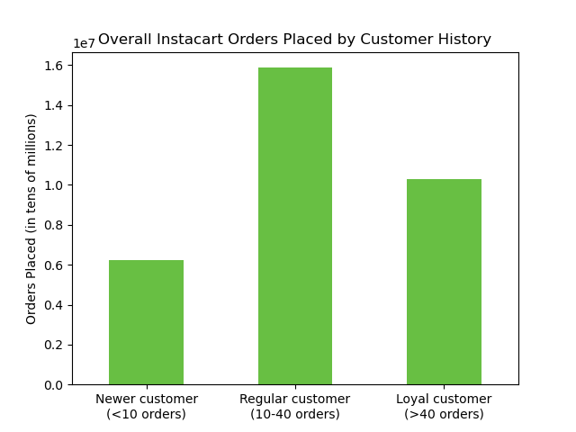

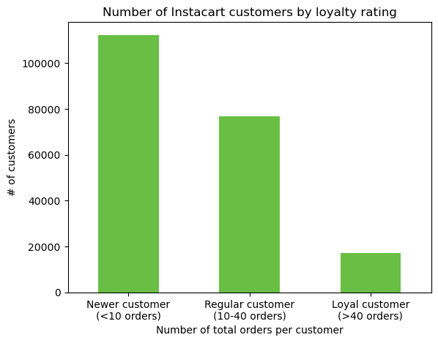
 |  |  |  |  |  |  | Most Instacart customers are newer customers (those with less than 10 orders)
 |  |  |  |  |  |  | However, "regular customers" (between 10-140 orders) also make up a large
 |  |  |  |  |  |  | overall share of customers.
 |  |  |  |  |  |  | But when it comes to who places the most orders, "regular customers" by far account
 |  |  |  |  |  |  | for most Instacart orders being placed. And "Loyal customers" (more than 40 orders) aren't far behind.
 |  |  |  |  |  |  | Though most Instacart customers are "newer customers", they make up the smallest
 |  |  |  |  |  |  | portion of overall orders on the Instacart platform.

Are there differences in ordering habits based on a customer’s loyalty status?

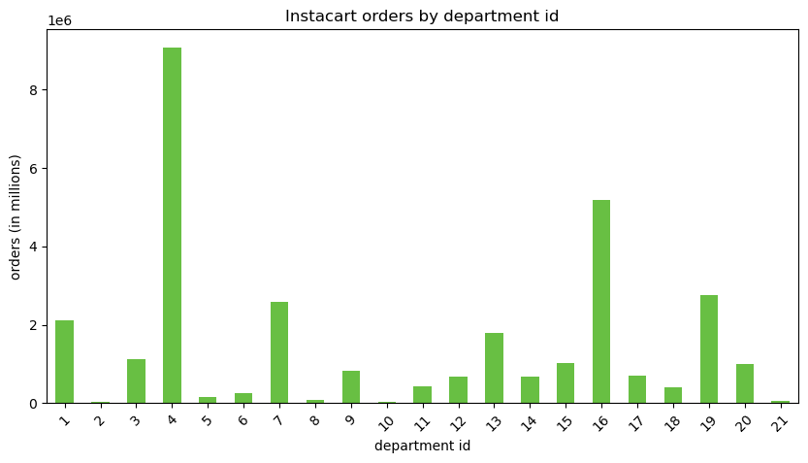

 |  |  |  |  | This graph shows the distribution of all instacart orders by dept_id
 |  |  |  |  | But we'll see in the next three (of customer loyalty status)
 |  |  |  |  | that they're all almost exactly the same, because the customer data
 |  |  |  |  | is all fabricated and distributed evenly.
 |  |  |  |  | Therefore, one customer here is the exact same (statistically)
 |  |  |  |  | as any other customer.
 |  |  |  |  | All of the following questions will show the same results.
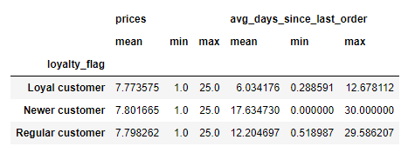

 |  |  |  |  |  |  |  |  |  |  | The table to the left shows insignificant differences in prices per loyalty status
 |  |  |  |  |  |  |  |  |  |  | The differences in avg_days_since_last_order aren't helpful since that
 |  |  |  |  |  |  |  |  |  |  | metric is controlled by their groupings anyway.

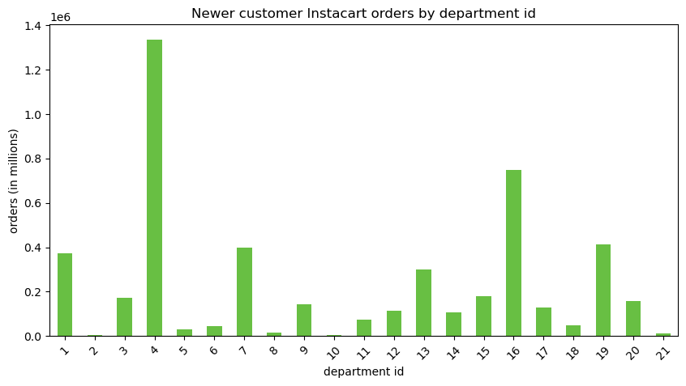
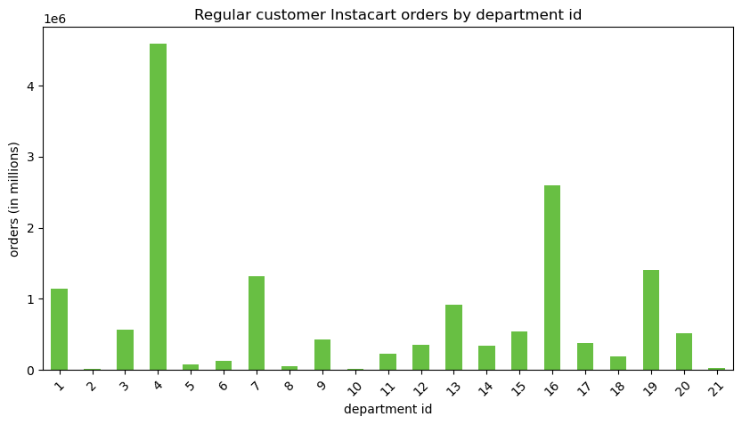
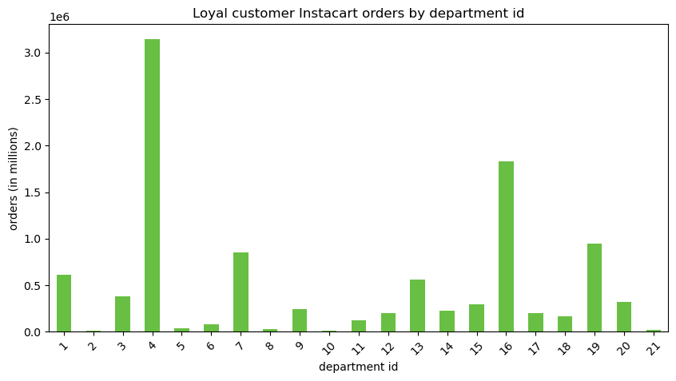

Are there differences in ordering habits based on a customer’s region?

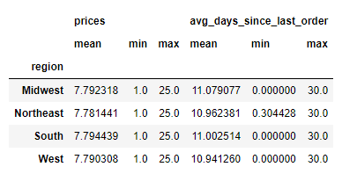
 |  |  | Again, the differences in the chart to the left are insignificant
 |  |  | and likely due to minor differences in random distribution
 |  |  | of fabricated customer data.

 |  |  | As you can see in the bar graphs below (orders by dept id per region)
 |  |  | the proportions are all the exact same, indicating uniformity

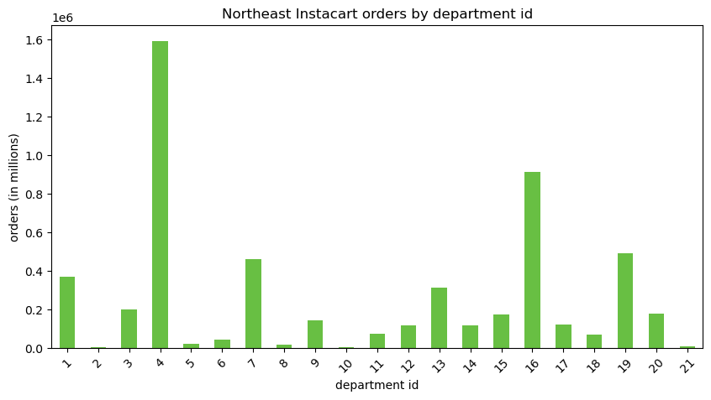
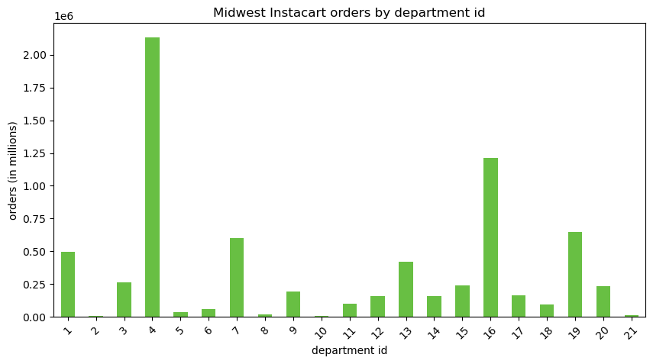

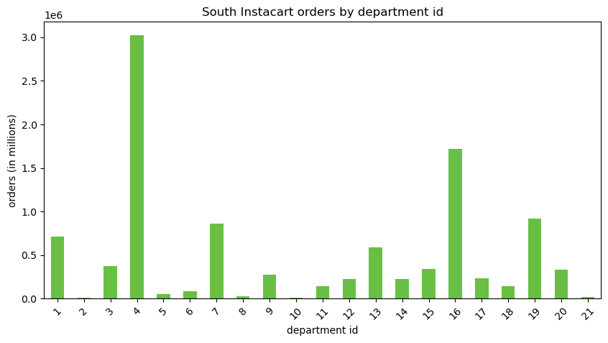


Is there a connection between age and family status in terms of ordering habits?
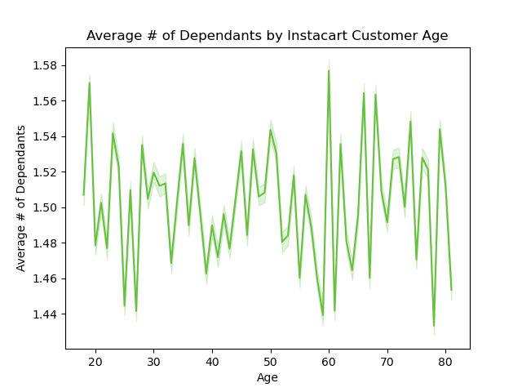

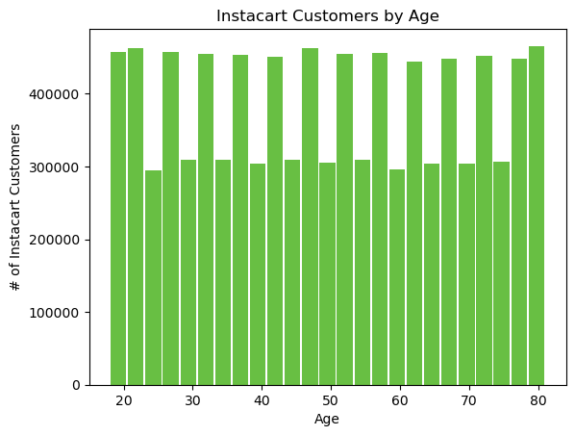
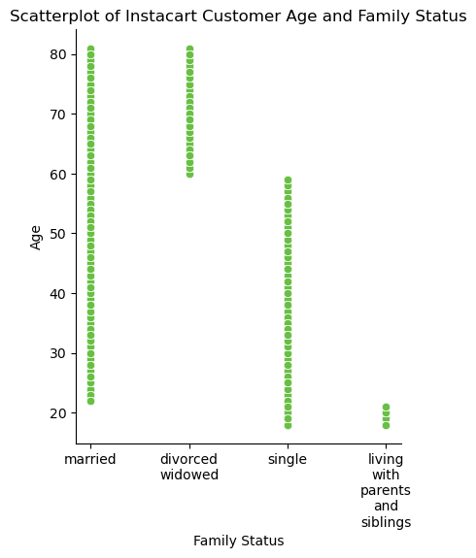

 | The histogram by age shows a completely unrealistic distribution of customers' ages.
 | They're clearly distributed equally by random distribution and not matching
 | any realistic demographic trends, nor what you would expect from an online service.
 | The line graph comparing age and # of dependants shows little variation (and no trends)
 | from 18 years old through 80 years old, which is also absolutely unrealistic.
 | The scatterplot showing distribution of age by family status follows clear trends,
 | but they're too distinct to be considered even slightly realistic.
 | Because of all this, it's not possible to draw any appropriate insights from the demographic details.
 | To the right I've answered the question very directly by showing a table of the actual ordering habits for every age and family status. You can see that the averages for prices and time since last order are all super close with insignificant differences regardless of age and family status. |  |  |  |  |  |  |  |  | prices | prices | prices | avg_days_since_last_order | avg_days_since_last_order | avg_days_since_last_order
 |  |  |  |  |  |  |  | age | fam_status | mean | min | max | mean | min | max
 |  |  |  |  |  |  |  | 18 | living with parents and siblings | 7.826 | 1 | 25 | 11.114 | 1.034 | 30
 |  |  |  |  |  |  |  | 18 | single | 7.743 | 1 | 25 | 11.283 | 1.332 | 30
 |  |  |  |  |  |  |  | 19 | living with parents and siblings | 7.82 | 1 | 25 | 10.768 | 0.675 | 30
 |  |  |  |  |  |  |  | 19 | single | 7.761 | 1 | 25 | 11.406 | 2.113 | 30
 |  |  |  |  |  |  |  | 20 | living with parents and siblings | 7.775 | 1 | 25 | 11.06 | 1.072 | 30
 |  |  |  |  |  |  |  | 20 | single | 7.76 | 1 | 25 | 11.377 | 0.583 | 30
 |  |  |  |  |  |  |  | 21 | living with parents and siblings | 7.78 | 1 | 25 | 10.819 | 1.298 | 30
 |  |  |  |  |  |  |  | 21 | single | 7.78 | 1 | 25 | 11.009 | 2.697 | 30
What different classifications does the demographic information suggest? Age? |  |  |  |  |  |  |  | 22 | married | 7.784 | 1 | 25 | 10.886 | 1.854 | 30
Income? Certain types of goods? Family status? |  |  |  |  |  |  |  | 22 | single | 7.787 | 1 | 25 | 10.411 | 1.371 | 30
 |  |  |  |  |  |  |  | 23 | married | 7.783 | 1 | 25 | 10.557 | 0.75 | 30
Because the demographic information is entirely arbitrary, as well as equally distributed, |  |  |  |  |  |  |  | 23 | single | 7.791 | 1 | 25 | 11.148 | 2.07 | 30
the data itself doesn't actually suggest any obvious groupings. |  |  |  |  |  |  |  | 24 | married | 7.801 | 1 | 25 | 11.057 | 1.558 | 30
However, we can create any sort of groupings we'd like, and here is a list of those I've created, |  |  |  |  |  |  |  | 24 | single | 7.797 | 1 | 25 | 11.393 | 2.111 | 30
together with how many orders have been made in each grouping, for relative sizes. |  |  |  |  |  |  |  | 25 | married | 7.737 | 1 | 25 | 11.259 | 0.72 | 30
 |  |  |  |  |  |  |  | 25 | single | 7.751 | 1 | 25 | 11.238 | 1.507 | 30
 |  |  |  |  |  |  |  | 26 | married | 7.778 | 1 | 25 | 10.892 | 1.822 | 30
 | generally uninteresting 11396553 | profile = NaN/null (after all of the other profiling) = "generally uninteresting" |  |  |  |  |  | 26 | single | 7.784 | 1 | 25 | 11.731 | 1.095 | 30
 | middle-class America 10575311 | n_dependants > 1 & fam_status = "married" & income > 47,000 & <142,000 = "middle-class America" |  |  |  |  |  | 27 | married | 7.794 | 1 | 25 | 11.1 | 1.385 | 30
 | single adult 3754327 | fam_status = single & age >17 = "single adult" |  |  |  |  |  | 27 | single | 7.761 | 1 | 25 | 10.529 | 0.84 | 30
 | young parent 1717911 | n_dependants > 0 & age <28 = "young parent" |  |  |  |  |  | 28 | married | 7.77 | 1 | 25 | 11.004 | 1.636 | 30
 | high-income big family 1288680 | n_dependants = 3 & income > 100,000 = "high-income big family" |  |  |  |  |  | 28 | single | 7.78 | 1 | 25 | 11.393 | 1.357 | 30
 | thriving millenial 764527 | fam_status = "single" & income > 80000 & age <43 = "thriving millenial" |  |  |  |  |  | 29 | married | 7.776 | 1 | 25 | 11.117 | 0.832 | 30
 | failed millenial 430891 | n_dependants = 3 & fam_status = "living with parents and siblings" & age <43 = "failed millenial" |  |  |  |  |  | 29 | single | 7.758 | 1 | 25 | 10.632 | 1.129 | 30
 | 30, flirty, and thriving 338539 | fam_status = "single", income > 65,000, age < 40 & > 29 & gender = "Female" = "30, flirty, and thriving" |  |  |  |  |  | 30 | married | 7.765 | 1 | 25 | 11.243 | 0.333 | 30
 | late night college munchers 204784 | order_hour_of_day > 20 & <5 & age <26 = "late night college munchers" |  |  |  |  |  | 30 | single | 7.791 | 1 | 25 | 11.467 | 0.687 | 30
 | college party 154605 | department_id = 5 or 7 or 19 & orders_day_of_week = 6 or 0 (Fri or Sat) & age <26 = "college party" |  |  |  |  |  | 31 | married | 7.816 | 1 | 25 | 10.991 | 1.167 | 30
 | eligible bachelors 124118 | fam_status = "single" & income > 120,000 & age <45 & gender = "male" = "eligible bachelors" |  |  |  |  |  | 31 | single | 7.773 | 1 | 25 | 10.414 | 1.196 | 30
 | sad & alone 109005 | fam_status = "divorced/widowed" & income < 40,000 = "sad & alone" |  |  |  |  |  | 32 | married | 7.792 | 1 | 25 | 11.39 | 0.781 | 30
 | wealthy retired 105313 | income > 200,000 & age > 60 = "wealthy retired" |  |  |  |  |  | 32 | single | 7.802 | 1 | 25 | 11.167 | 0.359 | 30
 |  |  |  |  |  |  |  | 33 | married | 7.776 | 1 | 25 | 10.926 | 1.692 | 30
 |  |  |  |  |  |  |  | 33 | single | 7.853 | 1 | 25 | 11.063 | 0 | 30
 |  |  |  |  |  |  |  | 34 | married | 7.786 | 1 | 25 | 10.608 | 1.27 | 30
 |  |  |  |  |  |  |  | 34 | single | 7.809 | 1 | 25 | 11.073 | 1.839 | 30
 |  |  |  |  |  |  |  | 35 | married | 7.773 | 1 | 25 | 11.085 | 0.829 | 30
What differences can you find in ordering habits of different customer profiles? |  |  |  |  |  |  |  | 35 | single | 7.768 | 1 | 25 | 11.142 | 1.099 | 30
Consider the price of orders, the frequency of orders, the products customers are |  |  |  |  |  |  |  | 36 | married | 7.806 | 1 | 25 | 10.938 | 1.364 | 30
ordering, and anything else you can think of. |  |  |  |  |  |  |  | 36 | single | 7.714 | 1 | 25 | 11.21 | 1.507 | 30
 |  |  |  |  |  |  |  | 37 | married | 7.804 | 1 | 25 | 10.762 | 1.625 | 30
 |  |  |  |  |  |  |  | 37 | single | 7.775 | 1 | 25 | 11.453 | 1.514 | 30
 | Ultimately, as already shown above, we can't expect there to be any meaningful differences in these |  |  |  |  |  |  | 38 | married | 7.771 | 1 | 25 | 10.723 | 1.605 | 30
 | areas, since all of this demographic information is fabricated in a way that distributes it evenly. |  |  |  |  |  |  | 38 | single | 7.817 | 1 | 25 | 10.873 | 1.069 | 30
 | I will show with charts and graphs below that this is still the case among these different |  |  |  |  |  |  | 39 | married | 7.788 | 1 | 25 | 11.019 | 1 | 30
 | customer profiles. |  |  |  |  |  |  | 39 | single | 7.781 | 1 | 25 | 10.864 | 2.46 | 30
 |  |  |  |  |  |  |  | 40 | married | 7.803 | 1 | 25 | 10.991 | 0.744 | 30
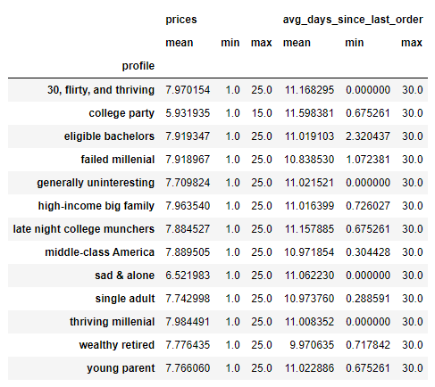
 |  |  |  |  |  |  |  | 40 | single | 7.799 | 1 | 25 | 11.192 | 2.576 | 30
 |  |  |  | As you can see in the chart on the left, only "college party" |  |  |  | 41 | married | 7.79 | 1 | 25 | 11.074 | 1.642 | 30
 |  |  |  | and "sad & alone" profiles actually have a difference in |  |  |  | 41 | single | 7.792 | 1 | 25 | 10.82 | 0.454 | 30
 |  |  |  | average price of items purchased. The college party one is |  |  |  | 42 | married | 7.828 | 1 | 25 | 11.083 | 1.116 | 30
 |  |  |  | because the entire profile is restricted to certain category |  |  |  | 42 | single | 7.744 | 1 | 25 | 10.488 | 0 | 30
 |  |  |  | of products purchased, which affects the price of products |  |  |  | 43 | married | 7.799 | 1 | 25 | 10.916 | 1.891 | 30
 |  |  |  | purchased. Though I don't know why the sad & alone |  |  |  | 43 | single | 7.749 | 1 | 25 | 10.824 | 2.317 | 30
 |  |  |  | would have such a difference in average item prices. |  |  |  | 44 | married | 7.817 | 1 | 25 | 11.03 | 1.176 | 30
 |  |  |  | Considering "sad & alone" is the only below average |  |  |  | 44 | single | 7.83 | 1 | 25 | 11.3 | 1.474 | 30
 |  |  |  | item price, it's not exactly a market profile that instacart |  |  |  | 45 | married | 7.789 | 1 | 25 | 11.058 | 0 | 30
 |  |  |  | would want to target and hope for significantly increased |  |  |  | 45 | single | 7.771 | 1 | 25 | 11.004 | 1.262 | 30
 |  |  |  | revenue. |  |  |  | 46 | married | 7.795 | 1 | 25 | 11.273 | 0.7 | 30
 |  |  |  | Similarly, the only real difference in order frequency |  |  |  | 46 | single | 7.836 | 1 | 25 | 10.983 | 1.697 | 30
 |  |  |  | is "wealthy retired", and I presume it might just be because |  |  |  | 47 | married | 7.799 | 1 | 25 | 10.965 | 0.563 | 30
 |  |  |  | the population size of that profile is small enough to skew |  |  |  | 47 | single | 7.805 | 1 | 25 | 11.299 | 1.929 | 30
 |  |  |  | the results. |  |  |  | 48 | married | 7.806 | 1 | 25 | 10.672 | 1.35 | 30
 |  |  |  |  |  |  |  | 48 | single | 7.865 | 1 | 25 | 11.075 | 1.906 | 30
 |  |  |  |  |  |  |  | 49 | married | 7.753 | 1 | 25 | 10.852 | 1.713 | 30
 |  |  |  |  |  |  |  | 49 | single | 7.802 | 1 | 25 | 10.879 | 2.686 | 30
 |  |  |  |  |  |  |  | 50 | married | 7.821 | 1 | 25 | 10.897 | 1.671 | 30
 |  |  |  |  |  |  |  | 50 | single | 7.815 | 1 | 25 | 11.601 | 2.165 | 30
 |  |  |  |  |  |  |  | 51 | married | 7.79 | 1 | 25 | 11.108 | 1.221 | 30
 |  |  |  |  |  |  |  | 51 | single | 7.787 | 1 | 25 | 10.552 | 0.289 | 30
 |  |  |  |  |  |  |  | 52 | married | 7.749 | 1 | 25 | 10.92 | 1.616 | 30
 |  |  |  |  |  |  |  | 52 | single | 7.767 | 1 | 25 | 10.643 | 0.637 | 30
 |  |  |  |  |  |  |  | 53 | married | 7.753 | 1 | 25 | 11.165 | 0.737 | 30
 |  |  |  |  |  |  |  | 53 | single | 7.761 | 1 | 25 | 11.048 | 0.944 | 30
 |  |  |  |  |  |  |  | 54 | married | 7.781 | 1 | 25 | 11.03 | 1.963 | 30
 |  |  |  |  |  |  |  | 54 | single | 7.788 | 1 | 25 | 11.066 | 2.048 | 30
 |  |  |  |  |  |  |  | 55 | married | 7.768 | 1 | 25 | 11.226 | 1.182 | 30
 |  |  |  |  |  |  |  | 55 | single | 7.736 | 1 | 25 | 11.149 | 1.421 | 30
 |  |  |  |  |  |  |  | 56 | married | 7.811 | 1 | 25 | 11.119 | 1.157 | 30
 |  |  |  |  |  |  |  | 56 | single | 7.773 | 1 | 25 | 10.855 | 1.164 | 30
 |  |  |  |  |  |  |  | 57 | married | 7.791 | 1 | 25 | 11.02 | 0.519 | 30
 |  |  |  |  |  |  |  | 57 | single | 7.798 | 1 | 25 | 10.844 | 2.575 | 30
 |  |  |  |  |  |  |  | 58 | married | 7.809 | 1 | 25 | 11.268 | 0.905 | 30
 |  |  |  |  |  |  |  | 58 | single | 7.782 | 1 | 25 | 10.173 | 1.984 | 30
 |  |  |  |  |  |  |  | 59 | married | 7.799 | 1 | 25 | 11.201 | 1.388 | 30
 |  |  |  |  |  |  |  | 59 | single | 7.782 | 1 | 25 | 10.701 | 2.562 | 30
 |  |  |  |  |  |  |  | 60 | divorced/widowed | 7.843 | 1 | 25 | 11.143 | 0.484 | 30
 | As you can see above, for nearly all profiles created, the ordering habits by department ID are the same. The major outlier is "college party", and that's only because the profile itself is restricted to purchases within 3 dept_id's. Other than that, "sad & alone" and "wealthy retired" show some minor variation in products purchased, but that's likely only because those are the two profiles with the smallest populations, and thus demonstrate slightly more variation in the random (but overall equal) distribution of the fabricated demographics. Ultimately, there is no insight to be gained from this. |  |  |  |  |  |  | 60 | married | 7.76 | 1 | 25 | 11.202 | 1.323 | 30
 |  |  |  |  |  |  |  | 61 | divorced/widowed | 7.83 | 1 | 25 | 10.433 | 0.973 | 30
 |  |  |  |  |  |  |  | 61 | married | 7.819 | 1 | 25 | 11.121 | 1.465 | 30
 |  |  |  |  |  |  |  | 62 | divorced/widowed | 7.765 | 1 | 25 | 11.437 | 0.736 | 30
 |  |  |  |  |  |  |  | 62 | married | 7.792 | 1 | 25 | 11.149 | 1.396 | 30
 |  |  |  |  |  |  |  | 63 | divorced/widowed | 7.786 | 1 | 25 | 11.093 | 0.948 | 30
 |  |  |  |  |  |  |  | 63 | married | 7.818 | 1 | 25 | 11.06 | 1.364 | 30
 |  |  |  |  |  |  |  | 64 | divorced/widowed | 7.77 | 1 | 25 | 10.395 | 0.405 | 30
 |  |  |  |  |  |  |  | 64 | married | 7.758 | 1 | 25 | 10.845 | 1.304 | 30
 |  |  |  |  |  |  |  | 65 | divorced/widowed | 7.797 | 1 | 25 | 10.669 | 1.892 | 30
 |  |  |  |  |  |  |  | 65 | married | 7.849 | 1 | 25 | 10.993 | 1.36 | 30
 |  |  |  |  |  |  |  | 66 | divorced/widowed | 7.842 | 1 | 25 | 10.896 | 0.789 | 30
 |  |  |  |  |  |  |  | 66 | married | 7.83 | 1 | 25 | 11.004 | 1.398 | 30
 |  |  |  |  |  |  |  | 67 | divorced/widowed | 7.764 | 1 | 25 | 11.27 | 1.08 | 30
 |  |  |  |  |  |  |  | 67 | married | 7.785 | 1 | 25 | 11.079 | 1.288 | 30
 |  |  |  |  |  |  |  | 68 | divorced/widowed | 7.794 | 1 | 25 | 11.398 | 2.71 | 30
 |  |  |  |  |  |  |  | 68 | married | 7.777 | 1 | 25 | 10.868 | 0.562 | 30
 |  |  |  |  |  |  |  | 69 | divorced/widowed | 7.806 | 1 | 25 | 10.479 | 0 | 30
 |  |  |  |  |  |  |  | 69 | married | 7.816 | 1 | 25 | 10.75 | 1.77 | 30
 |  |  |  |  |  |  |  | 70 | divorced/widowed | 7.768 | 1 | 25 | 10.727 | 1.427 | 30
 |  |  |  |  |  |  |  | 70 | married | 7.788 | 1 | 25 | 11.124 | 1.421 | 30
 |  |  |  |  |  |  |  | 71 | divorced/widowed | 7.737 | 1 | 25 | 10.949 | 3.097 | 30
 |  |  |  |  |  |  |  | 71 | married | 7.825 | 1 | 25 | 11.013 | 1.283 | 30
 |  |  |  |  |  |  |  | 72 | divorced/widowed | 7.823 | 1 | 25 | 11.327 | 1.627 | 30
 |  |  |  |  |  |  |  | 72 | married | 7.801 | 1 | 25 | 11.059 | 0.233 | 30
 |  |  |  |  |  |  |  | 73 | divorced/widowed | 7.779 | 1 | 25 | 10.823 | 2.217 | 30
 |  |  |  |  |  |  |  | 73 | married | 7.799 | 1 | 25 | 10.91 | 0.726 | 30
 |  |  |  |  |  |  |  | 74 | divorced/widowed | 7.849 | 1 | 25 | 11.178 | 2.375 | 30
 |  |  |  |  |  |  |  | 74 | married | 7.786 | 1 | 25 | 10.946 | 1.507 | 30
 |  |  |  |  |  |  |  | 75 | divorced/widowed | 7.804 | 1 | 25 | 10.491 | 1.393 | 30
 |  |  |  |  |  |  |  | 75 | married | 7.779 | 1 | 25 | 10.964 | 0.579 | 30
 |  |  |  |  |  |  |  | 76 | divorced/widowed | 7.837 | 1 | 25 | 11.622 | 2.458 | 30
 |  |  |  |  |  |  |  | 76 | married | 7.764 | 1 | 25 | 10.864 | 1.063 | 30
 |  |  |  |  |  |  |  | 77 | divorced/widowed | 7.756 | 1 | 25 | 10.918 | 2.065 | 30
 |  |  |  |  |  |  |  | 77 | married | 7.759 | 1 | 25 | 11.136 | 1.56 | 30
 |  |  |  |  |  |  |  | 78 | divorced/widowed | 7.873 | 1 | 25 | 11.027 | 1.524 | 30
 |  |  |  |  |  |  |  | 78 | married | 7.79 | 1 | 25 | 11.205 | 0.571 | 30
 |  |  |  |  |  |  |  | 79 | divorced/widowed | 7.754 | 1 | 25 | 11.411 | 1.811 | 30
 |  |  |  |  |  |  |  | 79 | married | 7.784 | 1 | 25 | 10.708 | 0.304 | 30
 |  |  |  |  |  |  |  | 80 | divorced/widowed | 7.858 | 1 | 25 | 10.711 | 2.26 | 30
 |  |  |  |  |  |  |  | 80 | married | 7.786 | 1 | 25 | 10.972 | 1.239 | 30
 |  |  |  |  |  |  |  | 81 | divorced/widowed | 7.8 | 1 | 25 | 10.44 | 1.474 | 30
 |  |  |  |  |  |  |  | 81 | married | 7.805 | 1 | 25 | 11.265 | 1.596 | 30

7. Recommendations
 |  |  |  |  |  | Title page

Recommendations

In this tab you should include any recommendations you would made to Instcart in terms of their marketing strategy based on the questions posed in the brief. Every key question has been covered in the Tasks of the Exercises - here you need to add an item - a visualisation or table/crosstable that is showing the answer in the data, acompanied by a comment from you. Please, list the questions below and add the answer underneath.

The weekend is the busiest time of the week for Instacart orders. Instacart could capture more orders from competitors if they advertise more heavily on weekends (or leading up to weekends). Otherwise, Instacart could also try to increase sales during the week through special promotions or other marketing efforts aimed at increasing mid-week sales. |  |  |  | Mid-day between 9am and 5pm is when Instacart has the most orders placed. It likely coincides with when people are making their meal plans, and thus late night orders fall off due to most people not cooking during those times. Howver, Instacart may be able to boost orders during odd-hourse (late evening, night, early morning) by advertising purchases of ready-to-eat foods or other special promotions like that.

 |  |  |  | Instacart appears to have remarkably consistent average product price regardless of time of day ordered, as the line chart on the left shows the deviation is very minimal. However, this is because the price data is fabricated. In order for Instacart to answer this key question well, they'll need to have more realistic (preferably real) price data to consider. Nonetheless, when considering minor variations, late evening shows the most consistent increase in average product prices purchased. And early morning (pre-dawn) hours shows the most potential fluctuation and could potentially be targeted for higher-priced purchases. Though due to ordering habits, higher-priced purchases in those early morning (pre-dawn) hours, likely won't result in much signifcant revenue increase due to there being such an overall low number of orders during those hours. Instead, a likely more profitable strategy would be to find ways to encourage those making purchases in the midday hours to buy higher-priced items. Because even a minor increase in average item price during midday hours would have a major increase in overall revenue due to that being the time when the vast majority of orders are placed (as seen above).

 |  |  |  |  | Produce is by far the most popular type of product among Instacart users, and most produce items are in the "mid-range" price range, which is helpful. Dairy/eggs, snacks, and beverages are the next most popular product types, though snacks are mainly in the "low-range" price category (which is less helpful for overall sales. And though meat/seafood makes up one of the less popular product types, it's the only category with a substantial portion of product in the "high-range" price category. If Instacart could increase purchases in this category, it might significantly increase revenue. On the other hand, marekting produce purchases to non-existing Instacart customers might be the best way to attract new customers.

 |  |  |  | Most Instacart customers are "newer customers" with less than 10 orders. However, most Instacart orders are placed by "regular customers" (10-40 orders) with "loyal customers" (more than 40 orders) not far behind in terms of overall orders placed. Therefore, to increase overall orders, Instacart needs to try to convert their newer customers into becoming more regular customers. In terms of average price of products purchased though, there is no meaningful difference between the different "loyalty" of customers, as can be seen in the chart on the left.

 | In terms of various customer profiles, it's impossible to make any meaningful recommendations to Instacart due to the fact that the data provider fabricated all of the demographic information. Though some minor effort was put into aligning "family status" with "age" (in entirely stereotypical and generally unrealistic ways), in every other regard the demographic data was distributed randomly but evenly, making any customer profiling completely unhelpful. I'll show in graphs below that there are no real variations among profiling. The only noticeable "difference" is by region, and that's because the regions are made up of different numbers of states (and thus more or less populations). Ultimately, the best recommendation for Instacart in terms of customer profiling is to acquire realistic (preferably real) customer demographic data. Without that, answering their key questions about their customer profiles is impossible.

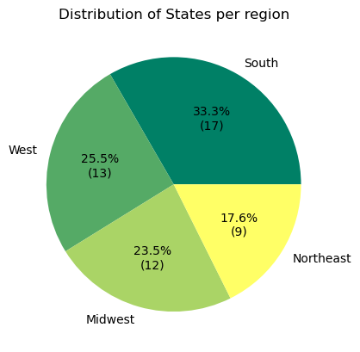

 |  |  | We can see in the histogram above that the "age" value of Instacart customers was also distributed completely evenly, and not at all in a realistic way that an online service would have (nor even reflecting overall population demographics for age). Therefore, any profiles considering age will be distributed essentially evenly and unable to provide meaningful insights.

With the fabricated demographic information, customers were distributed evenly among all states, regardless of those states' real population sizes. We see above that the "South" has the most states and thus any measurement of absolute orders by region will be skewed towards the South since it automatically has the most population (with the way the demographics were fabricated). The truth of this can be seen (in the table above) in that the average item price and days since last order are almost the exact same per region.

The scatterplot on the right shows that the "family status" value was distributed according to age ranges, though even that is unrealistic since people don't have to be 60 to be divorced, and many still live with their parents beyond 22 years old. This is another clear demonstration of fabricated (and unuseful) demographic data, though at least it wasn't distributed purely evenly without regard to age.

Nonetheless, some attempts were made to create customer profiles based on various factors in different categories. A list of those profiles, their population size within the data set, and the way they were determined, is included below.

generally uninteresting 11396553 |  | profile = NaN/null (after all of the other profiling) = "generally uninteresting"
middle-class America 10575311 |  | n_dependants > 1 & fam_status = "married" & income > 47,000 & <142,000 = "middle-class America"
single adult 3754327 |  | fam_status = single & age >17 = "single adult"
young parent 1717911 |  | n_dependants > 0 & age <28 = "young parent"
high-income big family 1288680 |  | n_dependants = 3 & income > 100,000 = "high-income big family"
thriving millenial 764527 |  | fam_status = "single" & income > 80000 & age <43 = "thriving millenial"
failed millenial 430891 |  | n_dependants = 3 & fam_status = "living with parents and siblings" & age <43 = "failed millenial"
30, flirty, and thriving 338539 |  | fam_status = "single", income > 65,000, age < 40 & > 29 & gender = "Female" = "30, flirty, and thriving"
late night college munchers 204784 |  | order_hour_of_day > 20 & <5 & age <26 = "late night college munchers"
college party 154605 |  | department_id = 5 or 7 or 19 & orders_day_of_week = 6 or 0 (Fri or Sat) & age <26 = "college party"
eligible bachelors 124118 |  | fam_status = "single" & income > 120,000 & age <45 & gender = "male" = "eligible bachelors"
sad & alone 109005 |  | fam_status = "divorced/widowed" & income < 40,000 = "sad & alone"
wealthy retired 105313 |  | income > 200,000 & age > 60 = "wealthy retired"

 |  |  | Even with such a varied distribution of profiling methods, there is no meaningful difference in these profiles' ordering habits, due to the fact that all the of data by which they were profiled was itself fabricated. See the table on the left and the graph below to see that their ordering habits don't demonstrate any meaningful distinctions, apart from what was created within the profiling method (i.e. "college party" being restricted to certain categories of purchases). Also, the fact that the two smallest population-size profiles have some slight variation in their overall numbers is likely due to the fact that their low population size allowed for slight skewing in the random distribution of fabricated demographics.

 |  |  | As stated above, the biggest recommendation to make to Instacart, in terms of targeted marketing, is that they will need to find realistic, preferably real, customer data, in order to move forward with any targeted marketing campaign in meaningful ways.

